Okno
 | Ventus Platinium |  | Unit name |  | Systemair Topvex
 | CER |  | Region |  | CER
 | 2025 |  | Year |  | 2025
 | Q1 |  | Quater |  | Q1
 | VTS |  | Brand name |  | Systemair
 |  |  | Brand logo

 | VTS.png |  |  |  | VTS.png

 | Ventus Platinium |  | Unit name |  | Ventus Platinium
 | Compact |  | Unit type |  | Compact
 | Floor-mounted |  | Execution |  | Floor-mounted
 | RRG |  | Recovery type |  | RRG
 | 6 |  | Size quantity |  | 6

 |  |  | Unit photo

 | Ventus Platinium.png |  |  |  | Ventus Platinium.png

 |  |  | Airflow range
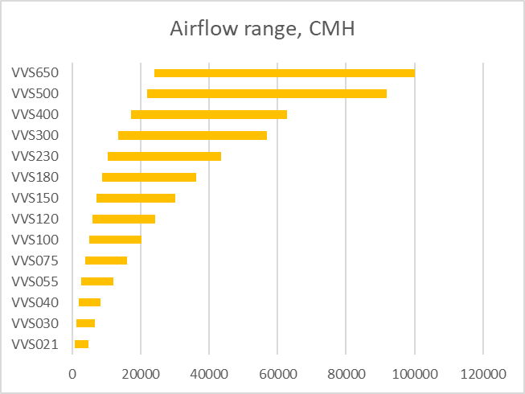

 |  |  | CERTIFICATION
 | YES |  | Eurovent Certificate |  | YES
 | D1 |  | Casing Strength (Eurovent) |  | D1
 | L1 |  | Casing leakage, negative pressure (Eurovent) |  | L1
 | L1 |  | Casing leakage, positive pressure (Eurovent) |  | L1
 | F9 |  | Filter mounting leakage (Eurovent) |  | F9
 | T2 |  | Thermal isolation (Eurovent) |  | T2
 | TB2 |  | Thermal bridges (Eurovent) |  | TB2
 | NO |  | VDI 6022-1 certification |  | NO

 |  |  | Available configurations
 | NO |  | S |  | NO
 | NO |  | E |  | NO
 | NO |  | SE w/o recovery |  | NO
 | YES |  | SE with RRG |  | YES
 | YES |  | SE with PCR/HEX |  | YES
 | NO |  | SE with glycol |  | NO

 |  |  | CASING
 | PUF |  | Insulation material |  | PUF
 | 50 | mm | Insulation thickness |  | 50 | mm
 | Galvinised steel |  | Metal sheet (Internal) |  | Galvinised steel
 | 0.4 | mm | Metal sheet thickness (Internal) |  | 0.4 | mm
 | AlZn |  | Metal sheet (External) |  | AlZn
 | 0.6 | mm | Metal sheet thickness (External) |  | 0.6 | mm

 |  |  | UNIT SIZE
 | VVSA11c |  | Unit size |  | VVSA11c

 |  |  | AIRFLOW
 | 23990 | CMH | Minimum airflow |  | 23990 | CMH
 |  | CMH | Maximum airflow |  |  | CMH
 | 100000 | CMH | Maximum airflow (ErP2018) |  | 100000 | CMH
 |  | m/s | Air speed on Filter at max airflow (ErP) |  |  | m/s
 |  |  | INTERNAL DIMENSIONS
 | 0.5 | m2 | Unit cross section area (Supply Filter) |  | 0.5 | m2
W= | 550 | mm | Internal Width (Supply Filter) | W= | 550 | mm
H= | 750 | mm | Internal Height (Supply Filter) | H= | 750 | mm
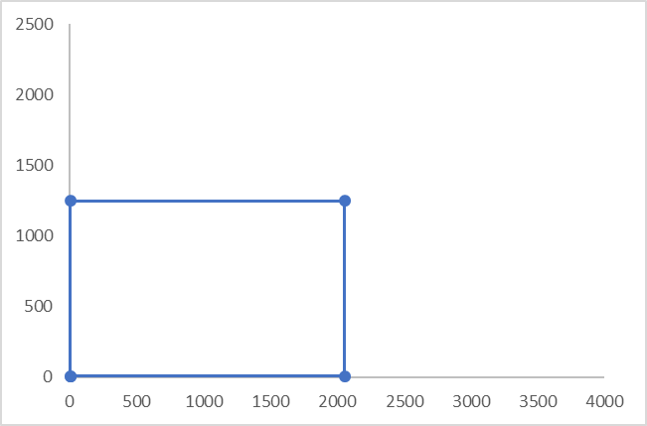

 |  |  | x1
 |  |  | x2
 |  |  | x3
 |  |  | x4
 |  |  | x5
 |  |  | y1
 |  |  | y2
 |  |  | y3
 |  |  | y4
 |  |  | y5

 |  |  |  |  | 0.6 | m2
 | 0.6 | m2 | Unit cross section area (Supply Fan) | W= | 550 | mm
W= | 550 | mm | Internal Width (Supply Fan) | H= | 750 | mm
H= | 750 | mm | Internal Height (Supply Fan)

 |  |  | x6
 |  |  | x7
 |  |  | x8
 |  |  | x9
 |  |  | x10
 |  |  | y6
 |  |  | y7
 |  |  | y8
 |  |  | y9
 |  |  | y10

W= | 931 | mm | Duct connection Width | W= | 931 | mm
H= | 418 | mm | Duct connection Height | H= | 418 | mm

 |  |  | x11
 |  |  | x12
 |  |  | x13
 |  |  | x14
 |  |  | x15
 |  |  | y11
 |  |  | y12
 |  |  | y13
 |  |  | y14
 |  |  | y15

 | 315 |  | Duct connection Diameter |  | 315

 |  |  | FUNCTION ELEMENTS
 |  |  | Rotary wheel
 | NH.RRG |  | Type |  | NH.RRG
 | 550 | mm | Wheel diameter |  | 550 | mm
 | 1.6 | mm | Distance between lamels |  | 1.6 | mm
 | 75 | % | Efficiency at nominal balanced airflows |  | 75 | %
 | 73 | % | Efficiency at max balanced airflows |  | 73 | %

 |  |  | PCR/HEX
 | AL |  | Material |  | AL
 | 82 | % | Efficiency at nominal balanced airflows |  | 82 | %
 | 81 | % | Efficiency at max balanced airflows |  | 81 | %

 |  |  | Fan
 | EC |  | Motor type |  | EC
 | 1 |  | Motor quantity |  | 1
 | 0.7 | kW | Motor rated power |  | 0.7 | kW
 | 250 |  | Impeller size |  | 250
 | 70 |  | Impeller efficiency at nominal airflow |  | 70

 |  |  | Electrical Main Heater
 | Tubular |  | Heating elements type |  | Tubular
 | 3 |  | Capacity range1 |  | 3
 | 6 |  | Capacity range2 |  | 6
 | 9 |  | Capacity range3 |  | 9

 |  |  | Water heater
 | 1 |  | Water heater_min rows |  | 1
 | 2 |  | Water heater_max rows |  | 2
 |  |  | Water cooler
 | 2 |  | Water cooler_min rows |  | 2
 | 6 |  | Water cooler_max rows |  | 6
 |  |  | DX/DXH coils
 | 2 |  | DXH_min rows |  | 2
 | 6 |  | DXH_max rows |  | 6
 | 1 |  | DXH sections range |  | 1
 | R410A |  | Available refrigerant types |  | R410A
 |  |  | Bag filter
 | Bag |  | Filter type_typ1 |  | Bag
 | F7 |  | Filtration class_typ1 |  | F7
 | 70 |  | Filtration efficiency_typ1 |  | 70
 | 150 |  | Initial PD at nominal airflow_typ1 |  | 150
 | 350 |  | Final PD_typ1 |  | 350
 |  |  | Panel filter
 | Bag |  | Filter type_typ2 |  | Bag
 | M5 |  | Filtration class_typ2 |  | M5
 | 70 |  | Filtration efficiency_typ2 |  | 70
 | 150 |  | Initial PD at nominal airflow_typ2 |  | 150
 | 350 |  | Final PD_typ2 |  | 350
 |  |  | Silencer
 | NO |  | Silencer casing |  | NO

